battery charger
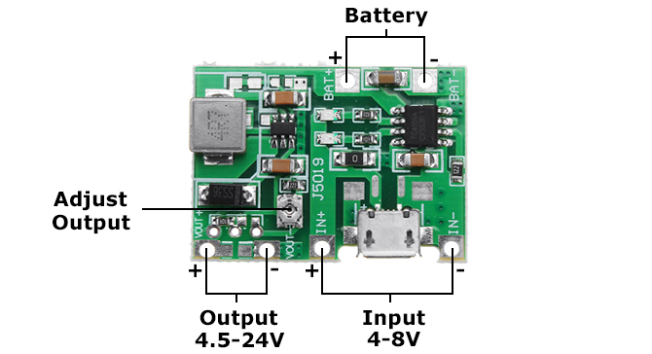
1. Input voltage: 4.5-8V DC
2. Output voltage: 4.3-27V DC (Continuously adjustable)
3. Charging voltage: 4.2V DC
4. Charging current: Max. 1A
5. Discharging current: Max. 2A

